Release Checklist_v1.00
WebPOS - Ticket #11111 |  |  |  |  | RELEASE CHECKLIST

Template Version:
V1.02 – 2017/05/18
 |  |  |  |  |  |  |  |  |  |  |  | TRC
 | RELEASE DATE |  |  |  |  | RELEASE DOC SCOPE |  |  |  | CHANGE TYPE
 | PLANNED |  |  |  | ACTUAL | Staging Release |  |  |  | Prod Issue Fix
 | 2025-01-01 |  |  |  | 2025-01-01
 | PREPARED BY |  |  |  | Lucmong, Roger Klyn M. | Ticket Number | 11111 |  |  | CHANGE SCOPE | Code Changes

RELEASE DETAILS
https://tfs.alliancewebpos.com/tfs/WebPOSCollection/WebPOS/_workitems/edit/11111/

RELEASE INSTRUCTIONS
General instructions are found in the Release Procedure Document in Confluence.

Release Procedure

RELEASE ENVIRONMENT(TO BE FILLED IN BY THE PERSON RESPONSIBLE FOR THE RELEASE e.g. SysAd/TL)
The instructions are based on a release done in the environment defined below. If the server environment is not the same as the one defined, some instructions may not be applicable.

PHP Version: Apache Version: Windows Server: Database Version: |  |  |  | PHP 7.4.26 Apache/2.4.51 CentOS Linux release 7.9.2009 10.6.5-MariaDB

OTHER NOTES / SPECIAL INSTRUCTIONS FOR THIS SPECIFIC RELEASE

 | HQ Link: |  | http://apptest-replica.alliancewebpos.net/ipposmgr.html#

RELEASE CHECKLIST

 | REMINDERS
 | 1. All releases must go through this checklist
 | 2. Provide explanation in Remarks column if answer is No/NA

 | # | Checkpoint |  |  |  |  |  | Y / N or NA | Remarks
 | Project Planning
 | 1 | Was the project estimated? |  |  |  |  |  | N/A | N/A
 | 2 | Was the project schedule defined before the actual implementation? |  |  |  |  |  | N/A | N/A
 | Project Design
 | 3 | Was a design document created? |  |  |  |  |  | N/A | N/A
 | 4 | Did this go through Internal Design Review? |  |  |  |  |  | N/A | N/A
 | Investigation Analysis
 | 5 | Was a Root Cause Analysis created for this ticket? |  |  |  |  |  | Yes | https://tfs.alliancewebpos.com/tfs/WebPOSCollection/WebPOS/_workitems/edit/11111/
 | 6 | Did this go through RCA Review? |  |  |  |  |  | Yes | https://tfs.alliancewebpos.com/tfs/WebPOSCollection/WebPOS/_workitems/edit/11111/
 | Development and Testing
 | 7 | Did this go through Code Review? |  |  |  |  |  | Yes | http://10.0.0.174:7990/projects/WEB/repos/yara2022/pull-requests/671/overview
 | 8 | Was this release tested already by the development team or internal QA? |  |  |  |  |  | Yes | https://tfs.alliancewebpos.com/tfs/WebPOSCollection/_git/WebPOS?path=%2F6.0%20WebPOS%20Yara%20Documents%2F6.2%20Maintenance%2FTFS%20-%2017222%2FPOT%2FLocal_POT%20v1%20-%20TFS-17222%20-%20%5BPet%20District%20Ent.%5D%5BUnable%20to%20search%20product%20with%20Apostrophe%20(Both%20Backoffice%20and%20POS)s%5D.pdf&version=GBmaster
 | 9 | Was the POT/Test Results approved? |  |  |  |  |  | Yes | https://tfs.alliancewebpos.com/tfs/WebPOSCollection/_git/WebPOS/pullrequest/2248?_a=overview
 | Release
 | Release Tracker
 | 10 | Was a task card created for the release? |  |  |  |  |  | Yes | https://tfs.alliancewebpos.com/tfs/WebPOSCollection/WebPOS/_workitems/edit/18308/
 | 11 | Are there other tickets/cases included in this release? |  |  |  |  |  | No | N/A
 | Release Versioning
 | 12 | Does the release involve version upgrade? |  |  |  |  |  | N/A | SQL Script Only
 | 13 | Are the release notes updated? |  |  |  |  |  | N/A | SQL Script Only
 | 14 | Are the changes deployed to GIT? |  |  |  |  |  | N/A | 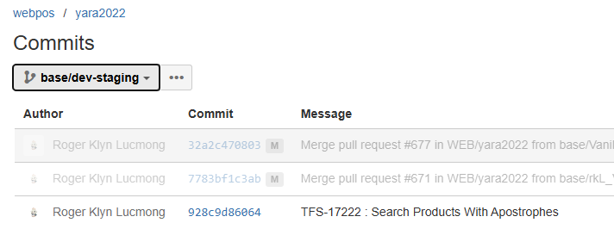 SQL Script Only
 | Release Preparation
 | 15 | Are the release builds deployed to GIT? |  |  |  |  |  | N/A | SQL Script Only
 | Pre release
 | 16 | Is there a need to upgrade the server's PHP version? |  |  |  |  |  | N/A | SQL Script Only
 | Actual release
 | 17 | Virus checking already done? Please provide a screenshot in the Virus Checking section below. |  |  |  |  |  | Yes | Refer below : VIRUS SCAN SCREENSHOT
 | 18 | Was the cache purged? Applies to those with Cloudflare. |  |  |  |  |  | N/A
 | Post release
 | 19 | Is the Post-release checklist accomplished? (refer to Post-Release Checklist sheet) |  |  |  |  |  | No | N/A
 | 20 | Is the WebPOS Client Inventory updated with the latest version? |  |  |  |  |  | N/A
 | 21 | Was a walkthrough document created? |  |  |  |  |  | Yes

VIRUS SCAN SCREENSHOT
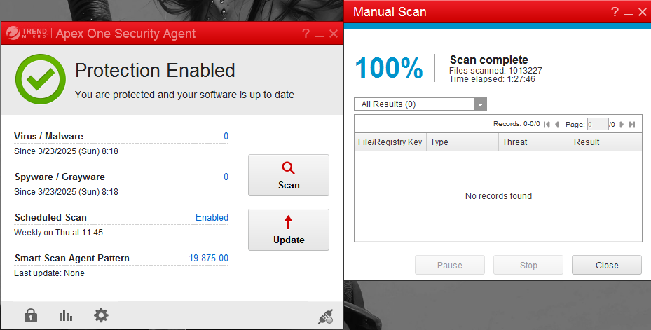

POST CONFIRMATION (to be filled up if DEV will do the release)

 | This is to confirm that the updates were deployed correctly.

 |  |  |  | CONFIRMED BY |  |  |  | DATE CONFIRMED

 | Screenshots:
 | N/A

